Petty Cash Andika
Tanggal | Rincian Transaksi | Debit | Kredit | Saldo | Deskripsi | Invoice | COST CODE | >>> | LEGEND : | FLOOR | BAR | KITCHEN | SHISHA | MISC. | TOP UP | INTEREST | MATCHING BALANCE | PREVIOUS BALANCE
 |  |  |  |  |  |  |  |  | DEPT. TOTAL : | Rp1,245,000.00 | Rp614,793.00 | Rp1,512,836.00 | Rp0.00 | Rp0.00 | Rp3,062,800.00 | Rp4,844.00 | Rp2,015.00 | Rp307,000.00
20-Jan-26 | TOKOPEDIA |  | 299,400.00 | 7,600.00 | PURCHASE 12 PCS OF SAUCE DISH FROM TOKOPEDIA | 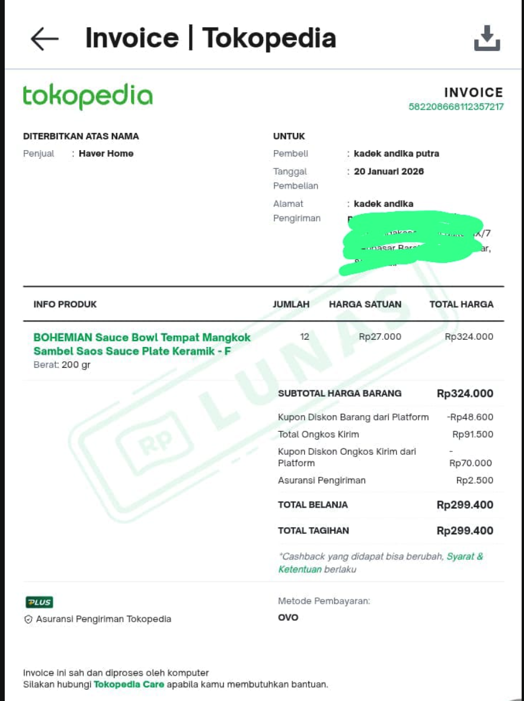 | K
21-Jan-26 | BANK BRI | 3,000,000.00 |  | 3,007,600.00 | TOPPED UP RP. 3.000.000 |  | T
21-Jan-26 | OVO ADMIN FEE |  | 1,200.00 | 3,006,400.00 | ADMIN FEE RP. 1.200 |  | T
21-Jan-26 | TRANSFER KE LADANG ROTI KREATIF PT |  | 347,500.00 | 2,658,900.00 | PURCHASE BREAD FROM BRAUD W OVO | 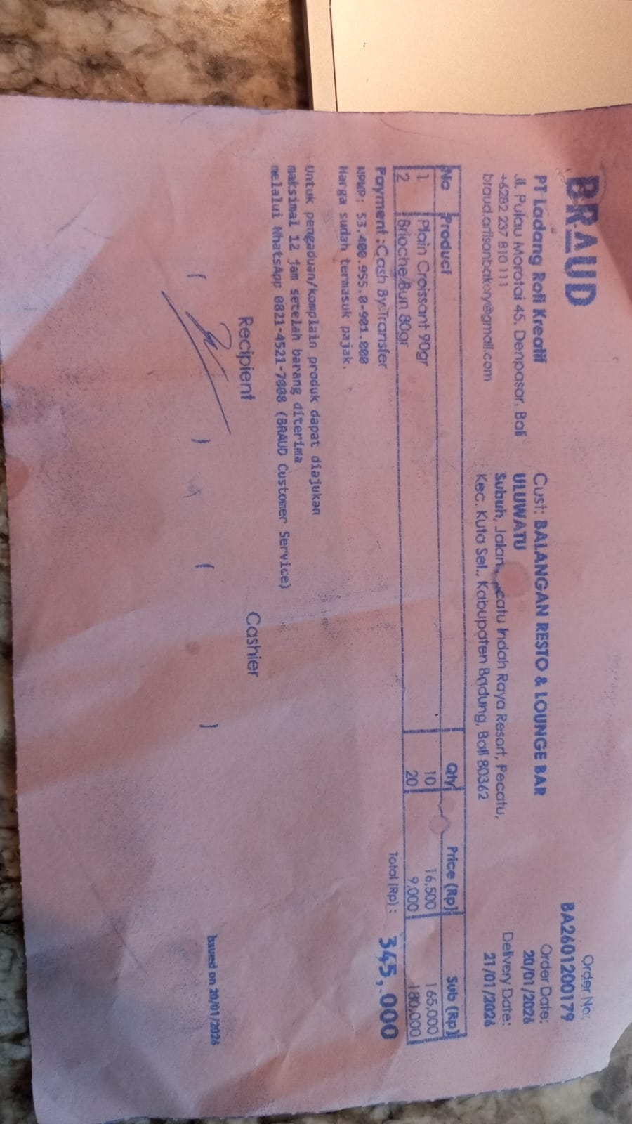 | K
21-Jan-26 | TOKOPEDIA |  | 88,200.00 | 2,570,700.00 | PURCHASE 100 PCS OF BAMBOO STRAW FROM TOKOPEDIA W OVO | 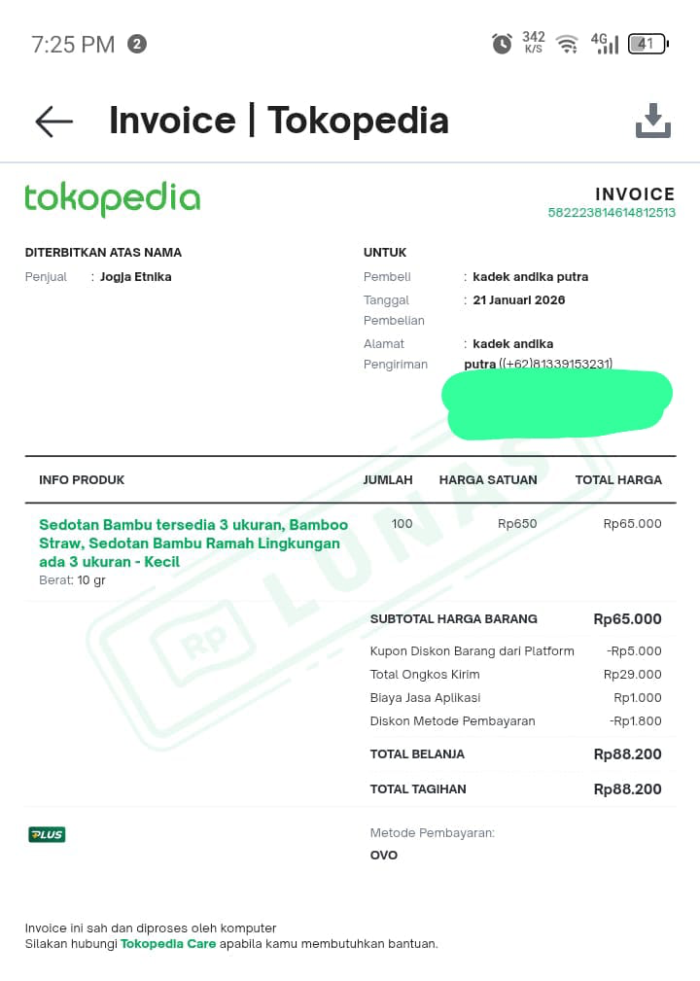 | B
22-Jan-26 | TRANSFER KE SDRI CINDY FITRIA CAHYANI |  | 157,500.00 | 2,413,200.00 | REIMBURSE PAYMENT FOR AICE STRAWBERRY ICE CREAM TO CINDY FLOOR | 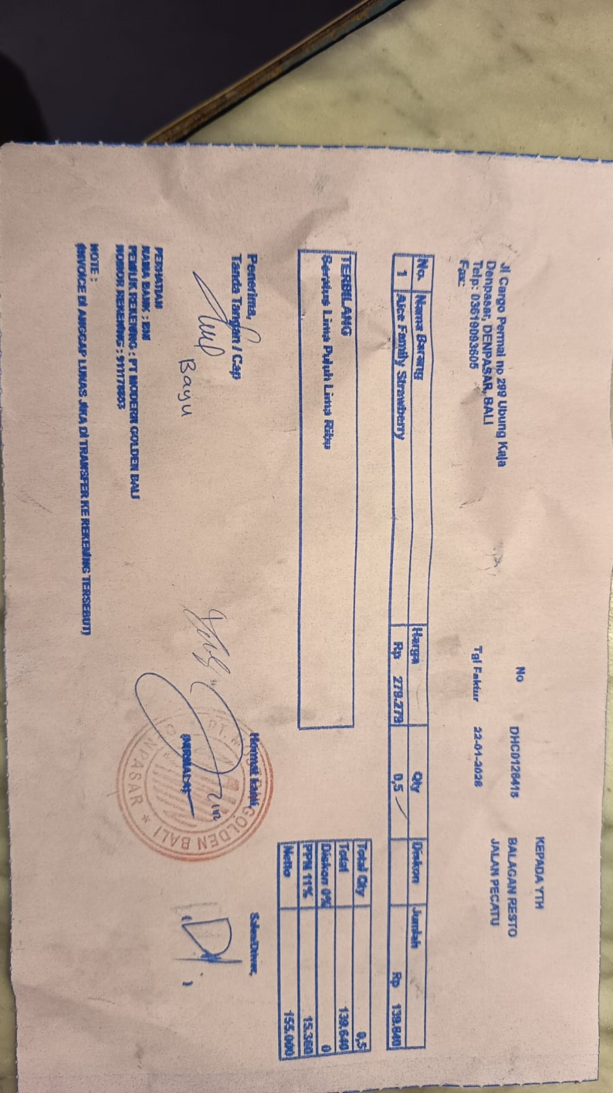 | B
23-Jan-26 | MR.D.I.Y RK JIMBARAN |  | 21,500.00 | 2,391,700.00 | PURCHASE STRONGER TAPE AND DOUBLE TAPE | 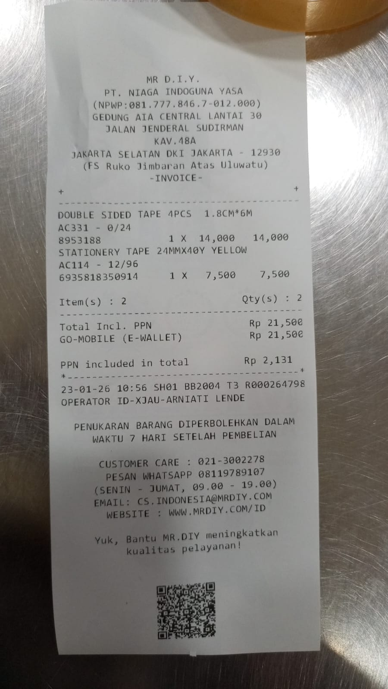 | B
23-Jan-26 | ANNA FLORIST, JLNRAYA ULU |  | 68,000.00 | 2,323,700.00 | PURCHASE FLOWERS FOR FLOOW | 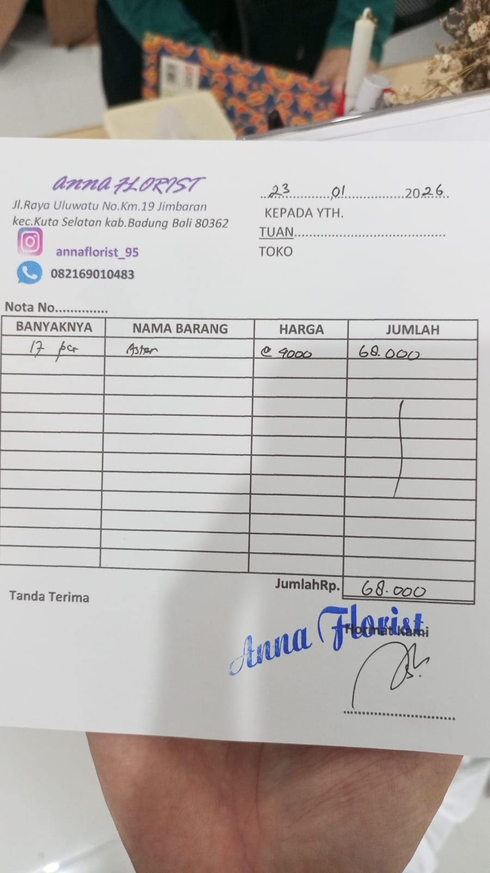 | F
23-Jan-26 | SURYA JAYA ELEKTRIK HO |  | 46,000.00 | 2,277,700.00 | PURCHASE 2 METER CABLE TO FIX COFFEE MACHINE ELECTRICITY | 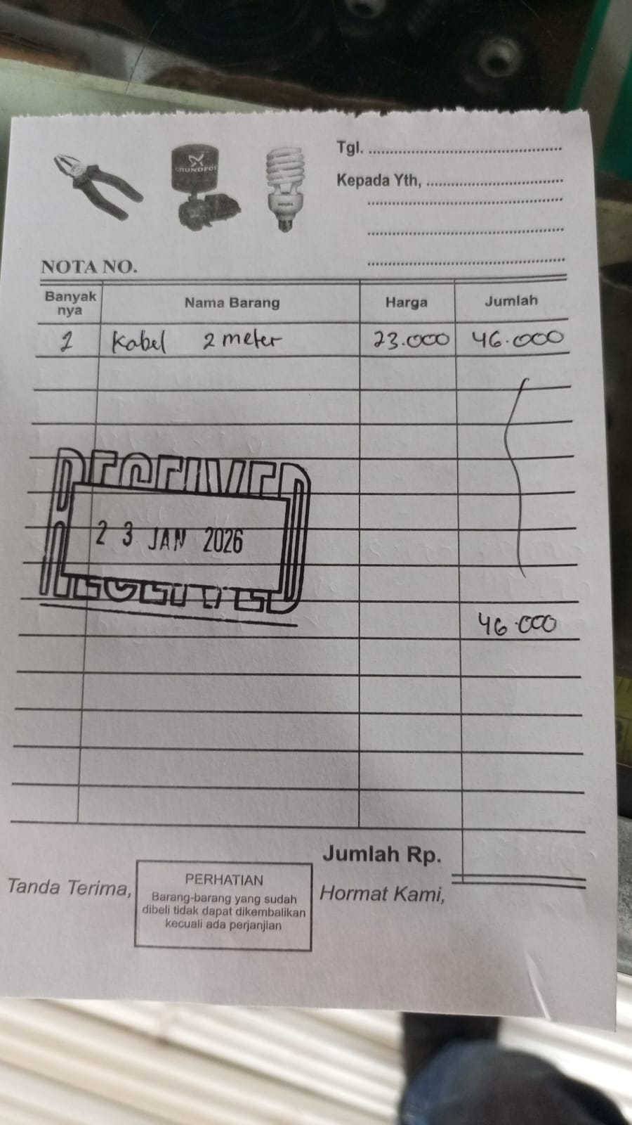 | B
24-Jan-26 | TOKOPEDIA |  | 65,509.00 | 2,212,191.00 | PURCHASE 2 PCS OF MAGNETIC KITCHEN TIMER | 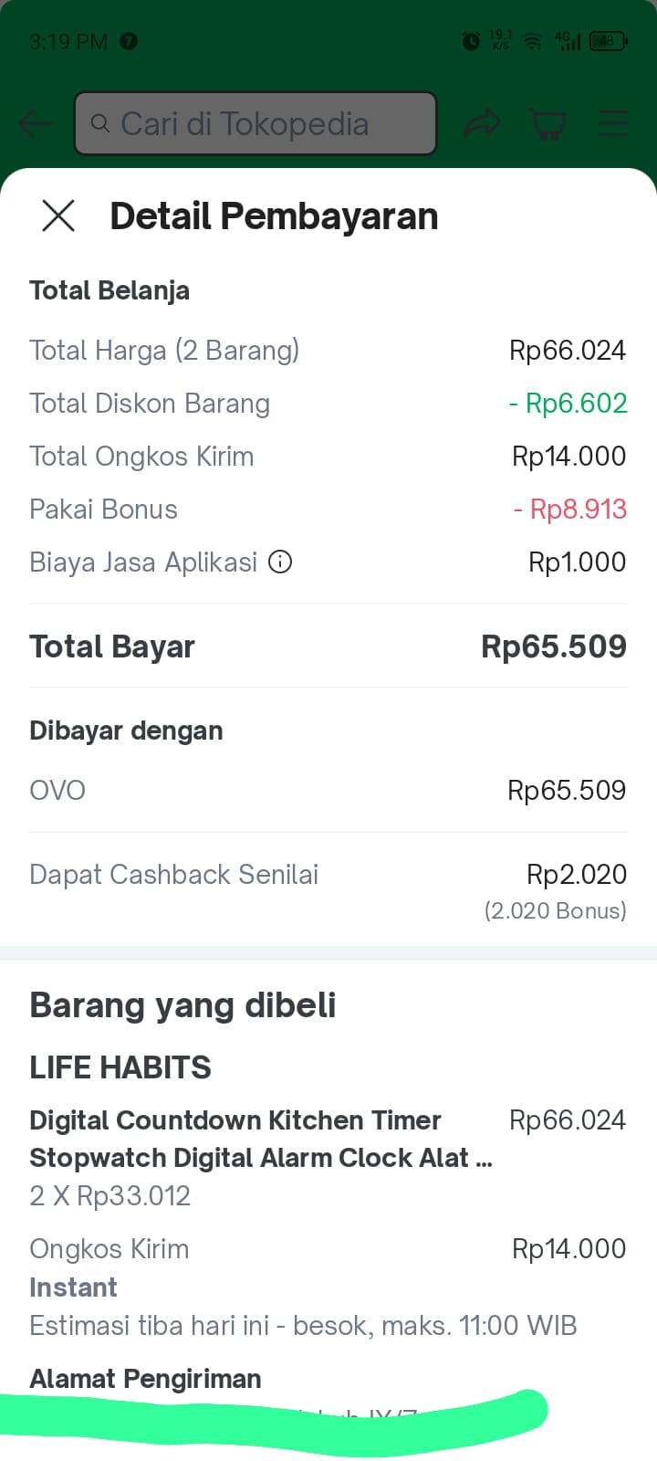 | K
24-Jan-26 | TRANSFER KE LUH DINA ANGGRA WAHY |  | 92,500.00 | 2,119,691.00 | REIMBURSE PURCHASE OF BALINESE OFFERING TO DINA FLOOR | 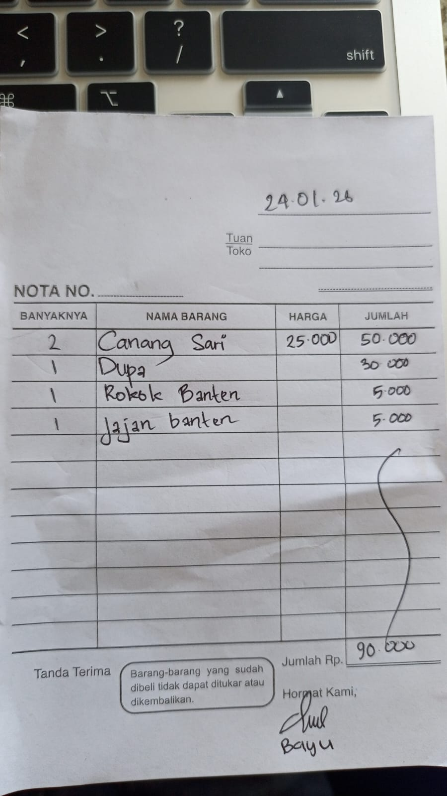 | F
25-Jan-26 | TOKOPEDIA |  | 103,593.00 | 2,016,098.00 | PURCHASE MOUSE AND INSECT TRAPPER FOR BAR ON TOKOPEDIA | 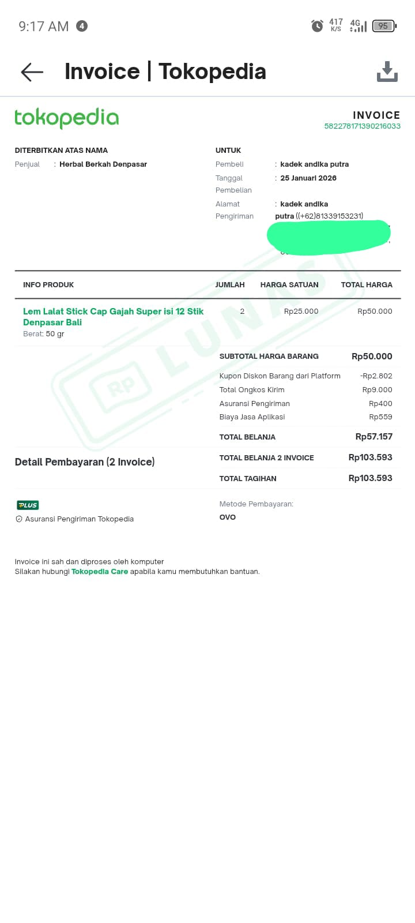 | B
25-Jan-26 | BSM PRINTING BALI |  | 50,000.00 | 1,966,098.00 | PRINT FLOOR COFFEE MESAGES | 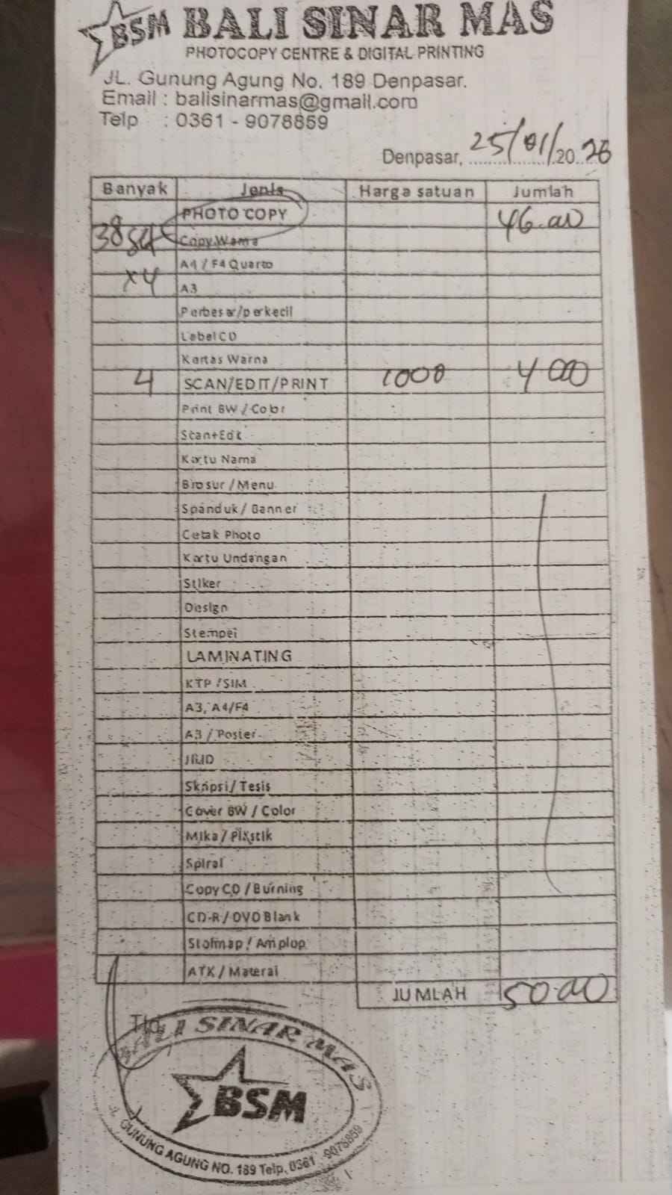 | F
25-Jan-26 | MR.D.I.Y RK JIMBARAN |  | 73,500.00 | 1,892,598.00 | PURCHASE STORAGE CONTAINER FOR WHEY PROTEIN AND 2 PCS OF TOILET FRESHNER | 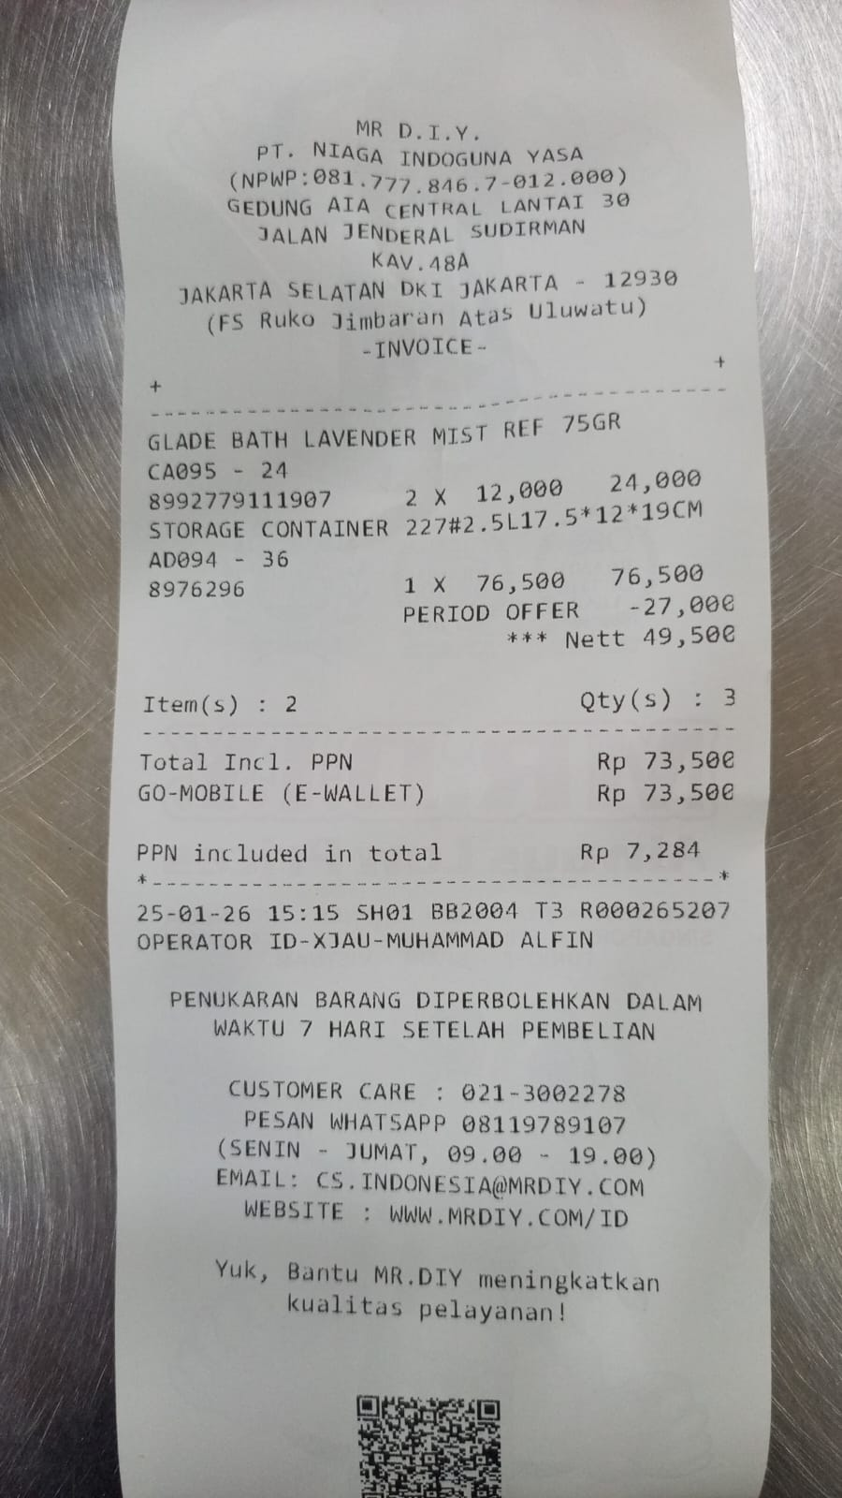 | K
26-Jan-26 | TRANSFER KE LILIEK DWIWAHJUNING |  | 290,000.00 | 1,602,598.00 | PURCHASE MEDICINAL SUPPLIES FOR FLOOR | 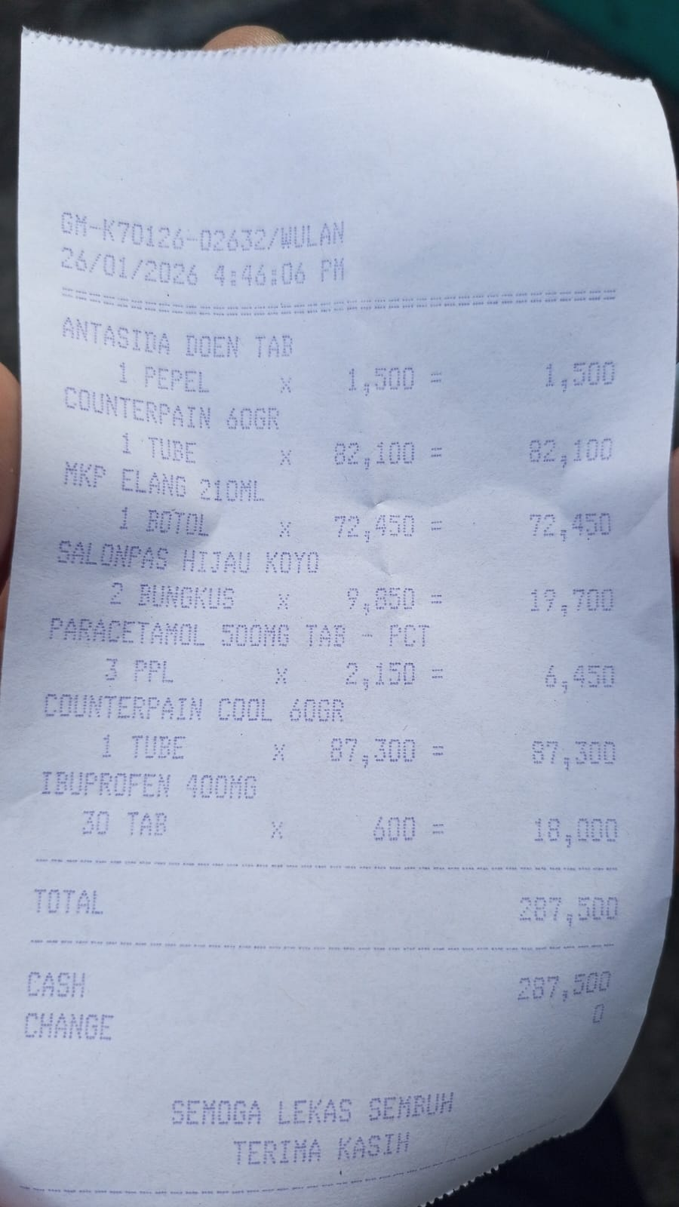 | F
26-Jan-26 | TOKO BINTANG 01 |  | 28,000.00 | 1,574,598.00 | PURCHASE PAPER TAPE FOR BAR | 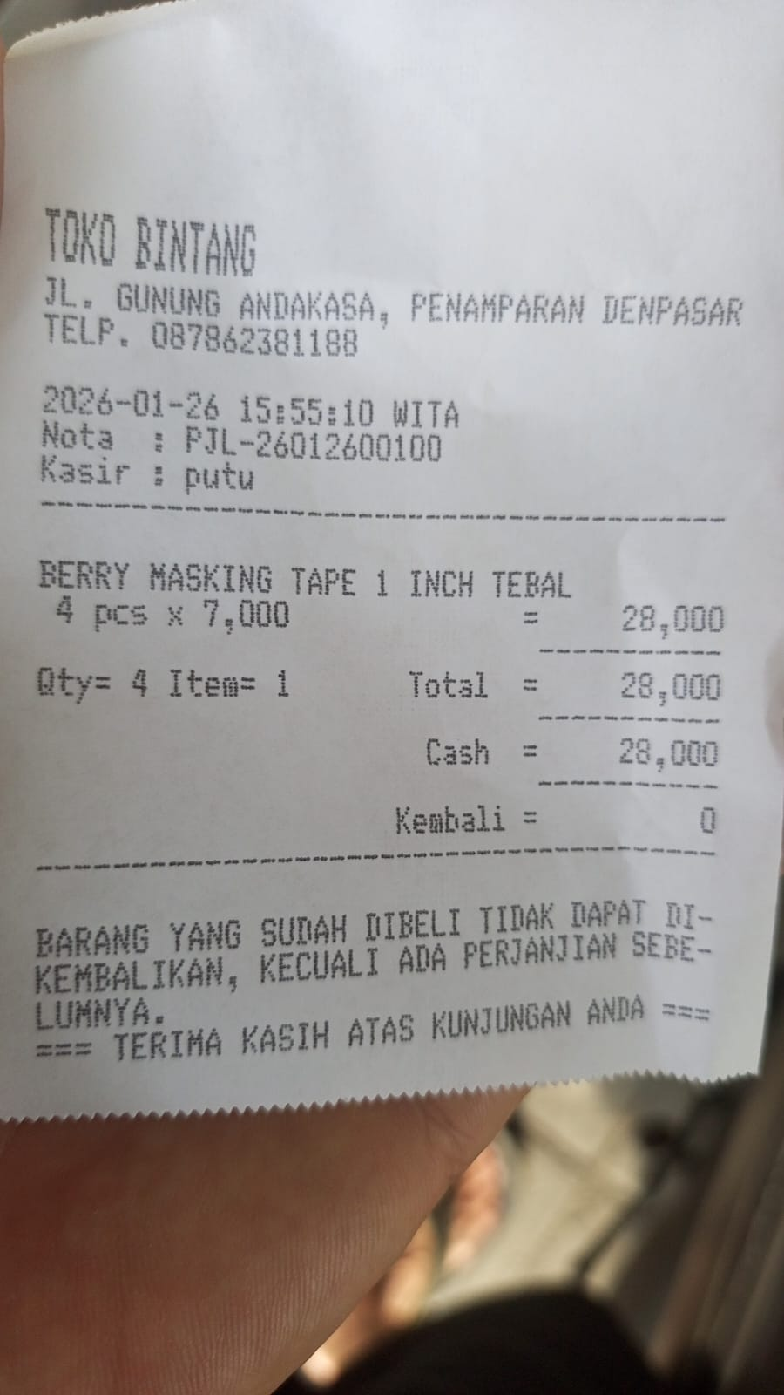 | B
27-Jan-26 | SINAR MULIA FOTOKOPI |  | 170,000.00 | 1,404,598.00 | PRINT EDIBLE PAPER 2 SHEET | 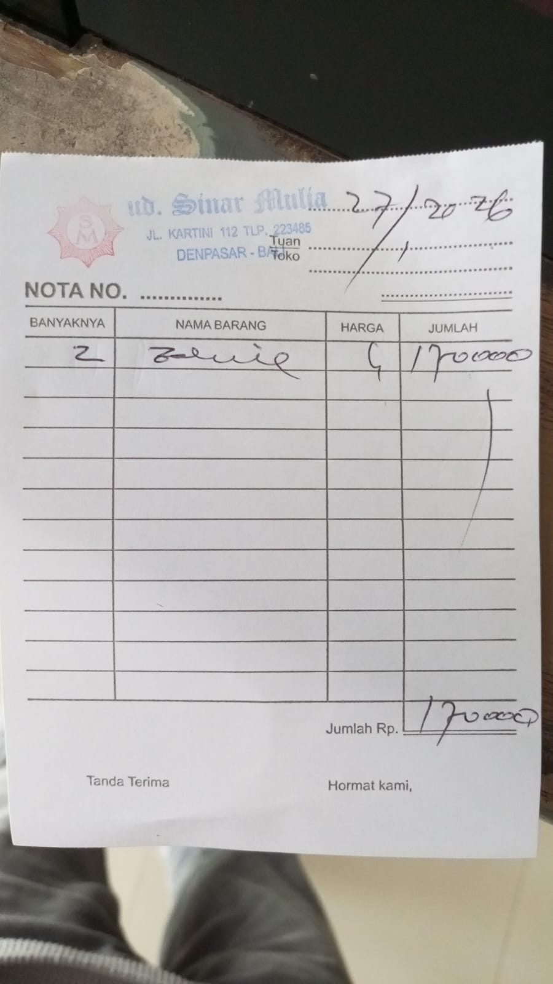 | B
27-Jan-26 | PEPITO EXPRESS PECATU |  | 124,000.00 | 1,280,598.00 | PURCHASE GLUTEN FREE SPAGHETTI | 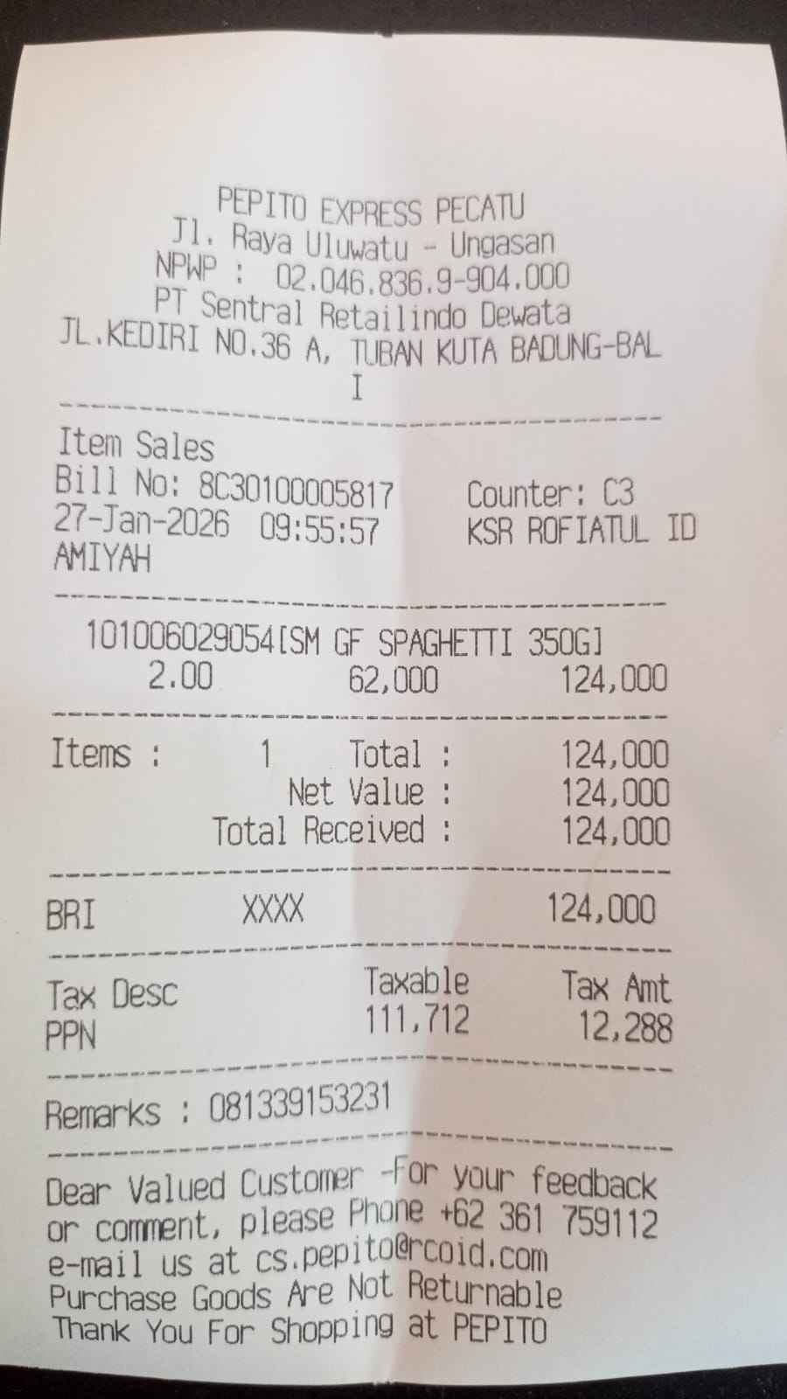 | K
27-Jan-26 | TRANSFER KE HANTAR PRADA HARMONI PT |  | 544,500.00 | 736,098.00 | PURCHASE MATERIALS TO REPAIR BAR CEILLING | 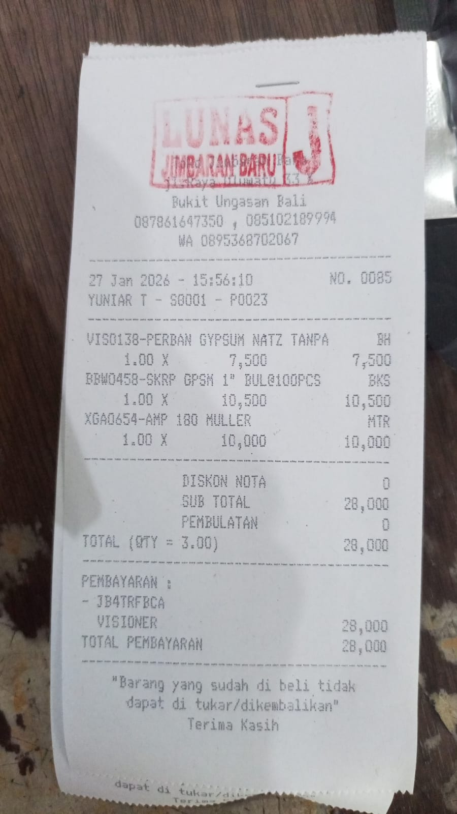 | F
27-Jan-26 | OVO | 64,000.00 |  | 800,098.00 | QRIS CORRECTION FOR 12TH JANUARY STUCK ON PAYMENT TRANSACTION MONEY GOT RETURNED | 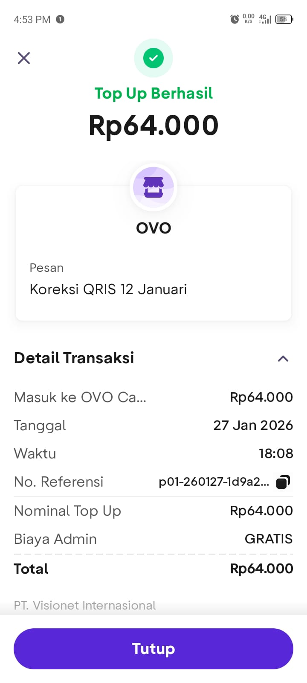 | T
28-Jan-26 | KEMFOOD BALI |  | 155,247.00 | 644,851.00 | PURCHASE SALAMI 1 KG | 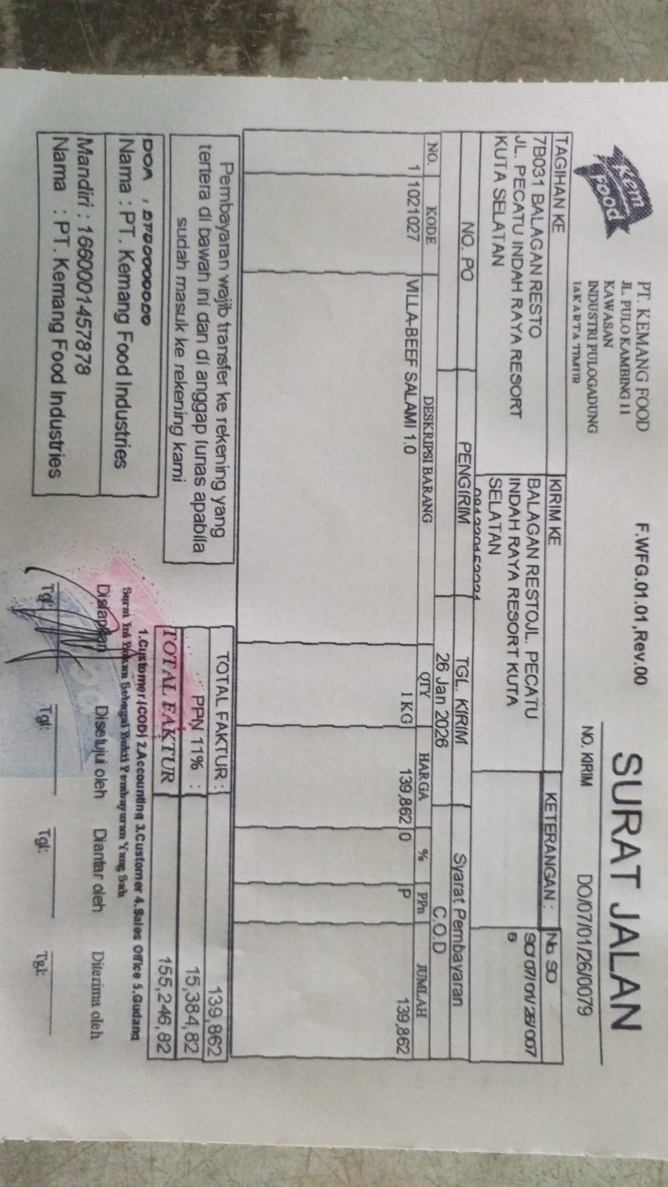 | K
28-Jan-26 | TRANSFER KE OLMEC INDUSTRIES INDONESIA PT |  | 100,180.00 | 544,671.00 | PURCHASE NACHOS 2 PAX | 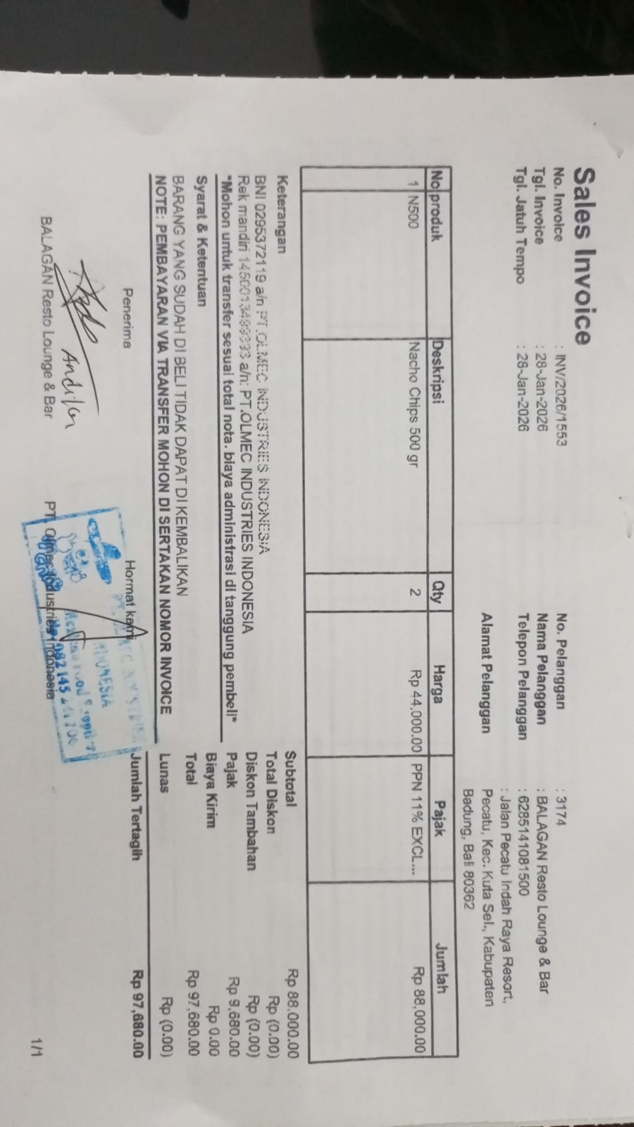 | K
28-Jan-26 | KIMMY LISTRIK |  | 200,000.00 | 344,671.00 | PURCHASE TRAVO FOR BAR LED LIGHTS | 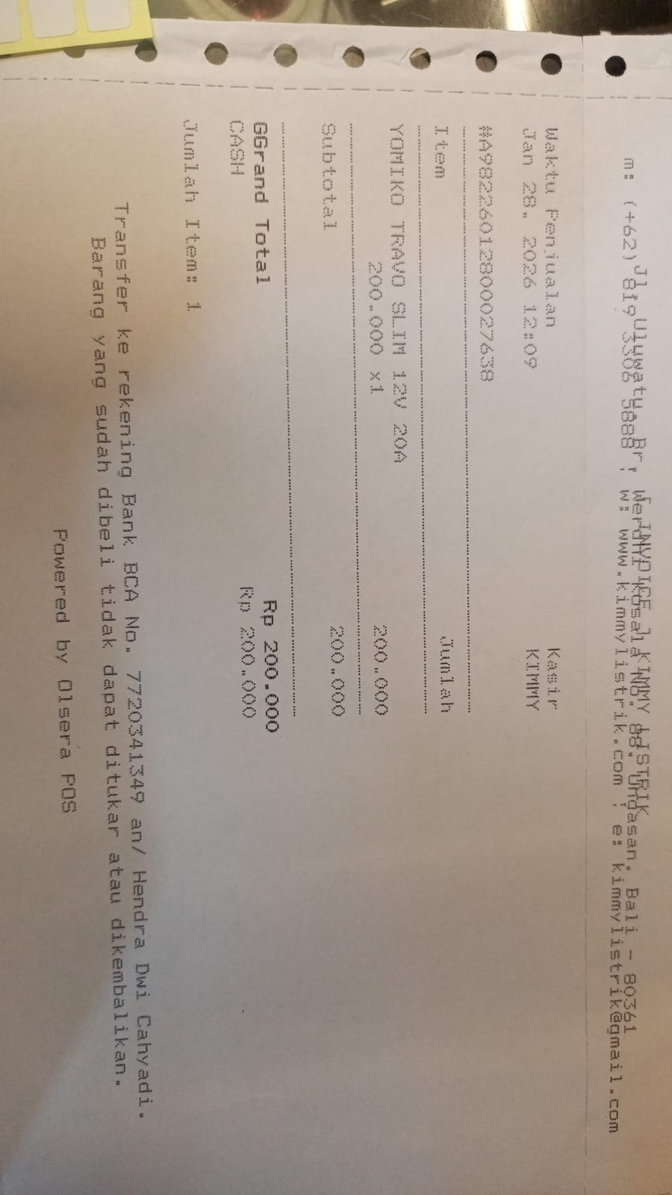 | F
28-Jan-26 | TRANSFER KE LADANG ROTI KREATIF PT |  | 347,500.00 | (2,829.00) | PAYMENT TO BRAUD FOR BREAD ORDER | 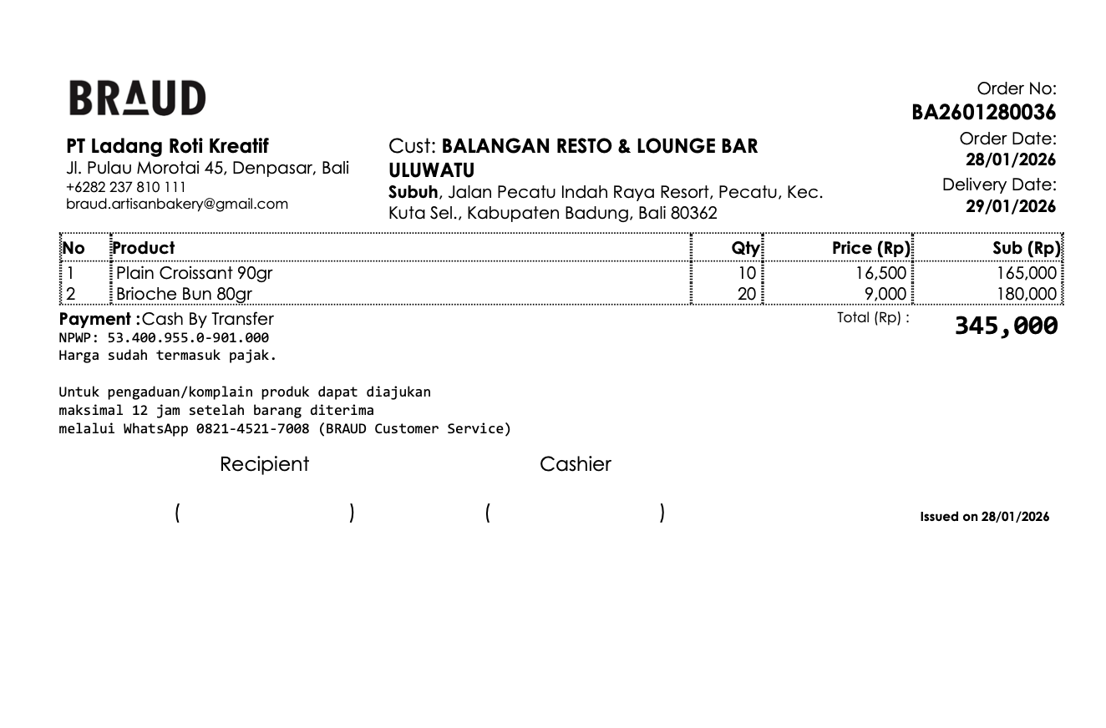 | K
28-Jan-26 | BUNGA OVO NABUNG (REWARDS) | 4,844.00 |  | 2,015.00 | RECEIVED INTEREST FROM OVO SAVINGS | 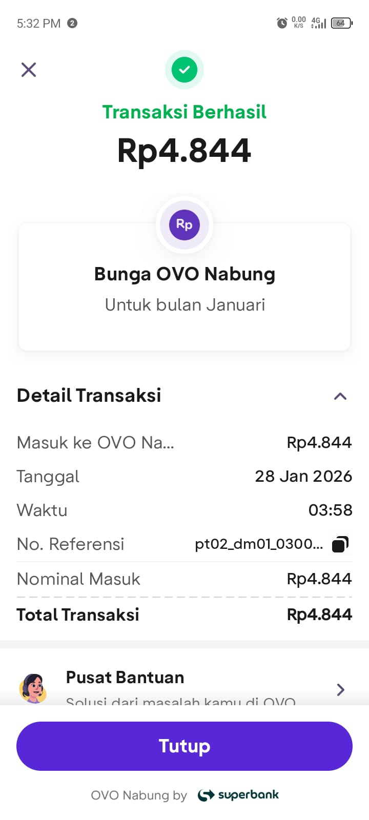 | I
 |  |  |  | 2,015.00
 |  |  |  | 2,015.00
 |  |  |  | 2,015.00
 |  |  |  | 2,015.00

